Sheet1
NLP Corupus | Scope | Technical steps in backend needed to get the output
a1. What port should I connect any device. | Scope: a1. Knowing the free port | ssh DEVICEIP or hostname
22
a2. how many vlans | scope :a2 know the vlans | sh vlans
10
a3.any sfps connected to interfaces | scope Iii.know the ports details with sfps | sh int status
yes | ii. Current practices to get the scope
 | 1. From laptop login to device ( Switch) or via jump server
 | a. Enter user/pw
 | 2. Execute command : show INT status
 | 3. Execute command : show INT description
 | 4.Execute command : show vlan
b. IP address to be assigned. | conf t
 | ip address 10.1.1.2 255.255.255.0
c. Mac-address on the switch | sw101#sh mac address-table
d. Location of the device
e. Availability of IP address |  | sh int status
f. Changing of VLAN on Port | C:\Users\Gebruiker>ssh 10.3.1.1 | INTS001RS0001#sh int status | i SFP
 |  | Gi1/1/1 UPlink_To_INTS001SW01 connected trunk full 1000 1000BaseSX SFP
 | run-sw101#sh cdp neighbors | Gi1/1/2 UPlink_To_INTS001SW00 connected trunk full 1000 1000BaseSX SFP
 | Capability Codes: R - Router, T - Trans Bridge, B - Source Route Bridge | Gi1/1/3 UPlink_To_INTS001SW00 connected trunk full 1000 1000BaseSX SFP
sw101#sh mac address-table | S - Switch, H - Host, I - IGMP, r - Repeater, P - Phone, | Gi1/1/4 UPlink_To_INTS001SW04 connected trunk full 1000 1000BaseSX SFP
Mac Address Table | D - Remote, C - CVTA, M - Two-port Mac Relay | Gi2/1/1 UPlink_To_INTS001SW05 connected trunk full 1000 1000BaseSX SFP
------------------------------------------- |  | Gi2/1/2 UPlink_To_INTS001SW06 connected trunk full 1000 1000BaseSX SFP
 | Device ID Local Intrfce Holdtme Capability Platform Port ID | Gi2/1/4 UPlink_To_INTS001SW02 connected trunk a-full a-1000 10/100/1000BaseTX SFP
Vlan Mac Address Type Ports | T46S805EC09DA010 Fas 1/0/12 163 H P T46S WAN PORT
---- ----------- -------- -----
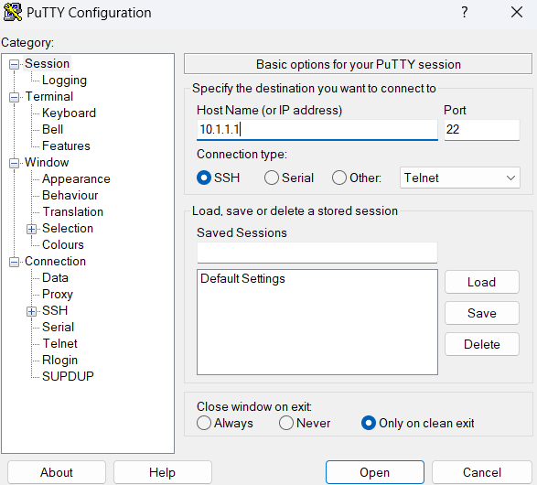
All 0100.0ccc.cccc STATIC CPU
All 0100.0ccc.cccd STATIC CPU
All 0180.c200.0000 STATIC CPU
All 0180.c200.0001 STATIC CPU
All 0180.c200.0002 STATIC CPU
All 0180.c200.0003 STATIC CPU
All 0180.c200.0004 STATIC CPU
All 0180.c200.0005 STATIC CPU
All 0180.c200.0006 STATIC CPU
All 0180.c200.0007 STATIC CPU
All 0180.c200.0008 STATIC CPU
All 0180.c200.0009 STATIC CPU
All 0180.c200.000a STATIC CPU
All 0180.c200.000b STATIC CPU
All 0180.c200.000c STATIC CPU
All 0180.c200.000d STATIC CPU
All 0180.c200.000e STATIC CPU
All 0180.c200.000f STATIC CPU
All 0180.c200.0010 STATIC CPU
All ffff.ffff.ffff STATIC CPU
1 000a.f74b.a449 DYNAMIC Fa1/0/4
1 0015.65f0.7c9b DYNAMIC Fa1/0/13
1 0015.65f0.81d4 DYNAMIC Fa1/0/19
1 00fa.2199.c645 DYNAMIC Fa1/0/19

 | lab-PKI_client#show interfaces description
 | Interface Status Protocol Description
 | Gi1 up up WAN
 | Gi2 up up DMZ
 | Gi3 up up
 | Gi4 up up

Region
APAC
India - 10.1.0.0/16 | sh cdp neighbors | who are connected to me
bangalore - 10.1.0.0/21 | sh cdp neighbors
Hyderabad - 10.1.8.0/21 | Capability Codes: R - Router, T - Trans Bridge, B - Source Route Bridge
 | S - Switch, H - Host, I - IGMP, r - Repeater, P - Phone,
EMEA | D - Remote, C - CVTA, M - Two-port Mac Relay
Germany - 10.2.0.0/16
Berlin - 10.2.0.0/21 | Device ID Local Intrfce Holdtme Capability Platform Port ID
 | T46S805EC09DA010 Fas 1/0/12 161 H P T46S WAN PORT
 | T46S805EC02CB555 Fas 1/0/5 161 H P T46S WAN PORT
 | T46S001565F081D4 Fas 1/0/19 172 H P T46S WAN PORT
 | T46S805EC09DA00B Fas 1/0/13 151 H P T46S WAN PORT
 | T46U805E0CBC82F6 Fas 1/0/15 147 H P T46U WAN PORT
 | T46S001565F07C9B Fas 1/0/13 174 H P T46S WAN PORT

 | sw101#sh cdp neighbors detail
 | -------------------------
 | Device ID: T46S805EC09DA010
 | Entry address(es):
 | IP address: 192.168.20.14
 | Platform: T46S, Capabilities: Host Phone
 | Interface: FastEthernet1/0/12, Port ID (outgoing port): WAN PORT
 | Holdtime : 179 sec

 | Version :
 | 66.86.188.3

 | advertisement version: 2
 | Duplex: full
 | Power drawn: 11.700 Watts
 | Management address(es):

Pm requirements | how network engg will do same job
 | He/she will identify the location switch name and ip address
PM wants to see which port in the swith for cameras |  | sh int status --to see free ports
after PM question below questopns has to be asked by tool to know which switch it has to connect |  | sh vlan - to see which vlan for cameras
please enter the location details |  | assign port into
please enter the switch name if you know or floor details

